area calculation
Polygon Calculation
1.05 | 2.4
2.7 | 3.54
3.8 | 2.75
3.7 | 2.3
3.2 | 2.2
2.7 | 1.9
2.1 | 1.8
1.2 | 2
1.05 | 2.4
 | X | Y | Area | Perimeter
 | 1.05 | 2.4
 | 2.7 | 3.54 | 4.9 | 2.0
 | 3.8 | 2.75 | 3.5 | 1.4
 | 3.7 | 2.3 | -0.3 | 0.5
 | 3.2 | 2.2 | -1.1 | 0.5
 | 2.7 | 1.9 | -1.0 | 0.6
 | 2.1 | 1.8 | -1.1 | 0.6
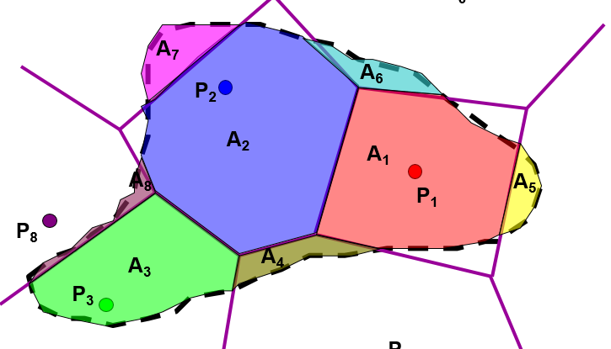
 | 1.2 | 2 | -1.7 | 0.9
 | 1.05 | 2.4 | -0.3 | 0.4

 |  | Total | 2.8 | 6.9
 | Input in yellow cells only
 | Always input from top
 | No empty row in the middle
 | At least one vertex should touch x and y axis
 | Firts vertex coordinate is the one closest to (0,0)
 | List vertices in clockwise order

